Front
 |  |  |  |  |  |  |  |  |  | Data for Infographic - extracted from data sheet

Select municipality here F
EGM Gambling in Greater Dandenong |  |  |  |  |  |  |  | Headings 18
 |  |  |  | 26 |  |  |  | Text 12
 |  |  |  | Venues |  |  |  | Charts 9 |  |  | Greater Dandenong | Victoria
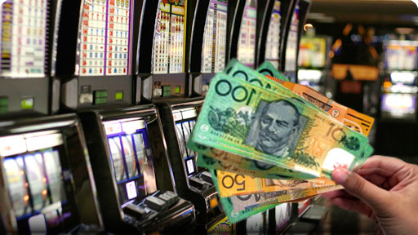
 |  |  |  | In 2025, there were |  | Ranking Greater Dandenong |  |  | 1 | Venues mid-2022 | 14 |  | 1 | 1st
 |  |  |  | 14 |  | 6th |  |  | 2 | Ranked Venues mid-2022 | 6 | 6th | 2 | 2nd
 |  |  |  |  |  |  |  |  |  |  |  |  | 3 | 3rd
 |  |  |  |  |  |  |  |  | 4 | EGMs 2022 | 928 |  | 4 | 4th
 |  |  |  |  |  |  |  |  | 5 | Ranked EGMs 2022 | 5 | 5th | 5 | 5th
 |  |  |  | EGM gambling venues in Greater Dandenong |  | in number of venues in Victoria |  |  | 6 | EGMs per 1,000 adults: 2022 | 7.1 |  | 6 | 6th
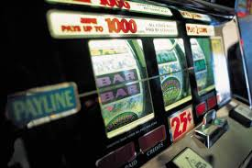

 |  |  |  |  |  |  |  |  | 7 | Ranked EGMs per 1,000 adults: 2022 | 16 | 16th | 7 | 7th
 |  |  |  |  |  |  |  |  |  |  |  |  | 8 | 8th
 |  |  |  |  |  |  |  |  | 9 | Losses 21/22 ($Million) | 141.2 |  | 9 | 9th
 |  |  |  |  |  |  |  |  | 10 | Ranked Losses: 2021/2022 | 5 | 5th | 10 | 10th
 |  |  |  |  |  |  |  |  | 11 | Losses per adult: 2021/22 | 1,077 | 575 | 11 | 11th
 |  |  |  |  |  |  |  |  | 12 | Ranked losses per adult: 2021/22 | 2 |  | 12 | 12th
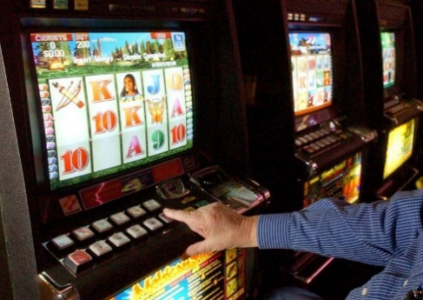
 |  |  |  |  |  |  |  |  | 13 | Losses per day | 386,782 |  | 13 | 13th
 | Gambling Machines |  |  |  |  |  |  |  | 14 | Children fed in a year | 46,409 |  | 14 | 14th
 |  |  |  |  |  |  |  |  | 15 | EGM Losses as per cent of income of EGM gamblers | 12.7 |  | 15 | 15th
 |  |  |  | This represents |  |  |  |  |  |  |  |  | 16 | 16th
 | There are |  |  | 7.1 |  |  |  |  |  |  |  |  | 17 | 17th
 | 928 |  |  |  |  |  |  |  |  |  | Greater Dandenong | Victoria | 18 | 18th
 |  |  |  |  |  |  |  |  |  |  | 1,077 | 575 | 19 | 19th
 |  |  |  |  |  |  |  |  |  |  |  |  | 20 | 20th
 | EGMs in Greater Dandenong , ranking it |  |  | EGMs per 1,000 adults |  |  |  |  |  |  |  |  | 21 | 21st
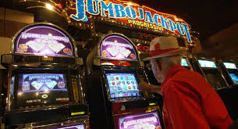
 |  |  |  |  |  | …and the |  |  |  |  |  |  | 22 | 22th
 |  |  |  |  |  | 16th |  |  |  |  |  |  | 23 | 23rd
 |  | 5th |  |  |  |  |  |  |  |  |  |  | 24 | 24th
 |  |  |  |  |  |  |  |  |  |  |  |  | 25 | 25th
 |  |  |  |  |  |  |  |  |  |  |  |  | 26 | 26th
 |  | in the State |  |  |  | highest EGM density in Victoria |  |  |  |  |  |  | 27 | 27th
 |  |  |  |  |  |  |  |  |  |  |  |  | 28 | 28th
 | EGM Losses |  |  | This is equivalent to losses of |  |  |  |  |  |  |  |  | 29 | 29th
 | Losses to EGMs at venues in Greater Dandenong in 2024/25, stood at |  |  | $1077 | per adult |  |  |  |  |  |  |  | 30 | 30th
 |  |  |  |  | in 2024/25 | Losses per day averaged |  |  |  |  |  |  | 31 | 31st
 |  |  |  |  |  | $ | 386,782 |  |  |  |  |  | 32 | 32th

 | $141.2 |  |  |  |  |  |  |  |  |  |  |  | 33 | 33rd
 |  |  | million |  |  |  |  |  |  |  |  |  | 34 | 34th
 |  |  |  |  |  |  |  |  |  |  |  |  | 35 | 35th
 |  |  |  |  |  |  |  |  |  |  |  |  | 36 | 36th
 | ranking this municipality 5th in the State |  |  |  |  |  |  |  |  |  |  |  | 37 | 37th
 |  |  |  |  |  |  |  |  |  |  |  |  | 38 | 38th
 |  |  |  |  |  |  |  |  |  |  |  |  | 39 | 39th
 |  |  |  |  |  |  |  |  |  |  |  |  | 40 | 40th
 |  |  |  |  |  |  |  |  |  |  |  |  | 41 | 41st
 |  |  |  |  |  |  |  |  |  |  |  |  | 42 | 42th
 |  |  |  |  |  |  |  |  |  |  |  |  | 43 | 43rd
 | Impact |  |  | Losses within Greater Dandenong in 2024/25, were the equivalent to the cost of feeding |  | Effects of EGM gambling losses may include financial hardship, personal distress, family conflict and violence, unemployment and bankruptcy, homelessness and crime |  |  |  |  |  |  | 44 | 44th
 | In 2021/2, annual EGM losses represented approximately |  |  |  |  |  |  |  |  |  |  |  | 45 | 45th
 |  |  |  |  |  |  |  |  |  |  |  |  | 46 | 46th
 |  |  |  |  |  |  |  |  |  |  |  |  | 47 | 47th
 | 12.7% |  |  | 46,409 |  |  |  |  |  |  |  |  | 48 | 48th
 |  |  |  |  |  |  |  |  |  |  |  |  | 49 | 49th
 |  |  |  |  |  |  |  |  |  |  |  |  | 50 | 50th
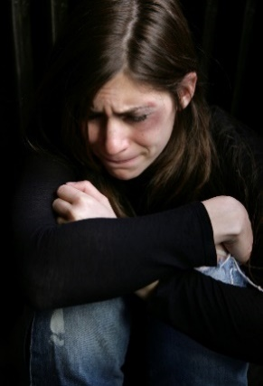
 |  |  |  |  |  |  |  |  |  |  |  |  | 51 | 51st
 | of the income of local residents who gamble on EGMs |  |  | children for an entire year. |  |  |  |  |  |  |  |  | 52 | 52th
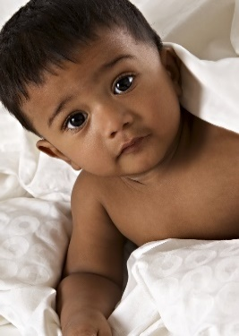
 |  |  |  |  |  |  |  |  |  |  |  |  | 53 | 53rd
 |  |  |  |  |  |  |  |  |  |  |  |  | 54 | 54th
 |  |  |  |  |  |  |  |  |  |  |  |  | 55 | 55th
 |  |  |  |  |  |  |  |  |  |  |  |  | 56 | 56th
 |  |  |  |  |  |  |  |  |  |  |  |  | 57 | 57th
 |  |  |  |  |  |  |  |  |  |  |  |  | 58 | 58th
 |  |  |  |  |  |  |  |  |  |  |  |  | 59 | 59th
 |  |  |  |  |  |  |  |  |  |  |  |  | 60 | 60th
 |  |  |  |  |  |  |  |  |  |  |  |  | 61 | 61st
 |  |  |  |  |  |  |  |  |  |  |  |  | 62 | 62th
 |  |  |  |  |  |  |  |  |  |  |  |  | 63 | 63rd
 |  |  |  |  |  |  |  |  |  |  |  |  | 64 | 64th
 |  |  |  |  |  |  |  |  |  |  |  |  | 65 | 65th
 |  |  |  |  |  |  |  |  |  |  |  |  | 66 | 66th
 |  |  |  |  |  |  |  |  |  |  |  |  | 67 | 67th
 |  |  |  |  |  |  |  |  |  |  |  |  | 68 | 68th
 |  |  |  |  |  |  |  |  |  |  |  |  | 69 | 69th
 |  |  |  |  |  |  |  |  |  |  |  |  | 70 | 70th
 |  |  |  |  |  |  |  |  |  |  |  |  | 71 | 71st
 |  |  |  |  |  |  |  |  |  |  |  |  | 72 | 72th
 |  |  |  |  |  |  |  |  |  |  |  |  | 73 | 73rd
 |  |  |  |  |  |  |  |  |  |  |  |  | 74 | 74th
 |  |  |  |  |  |  |  |  |  |  |  |  | 75 | 75th
 |  |  |  |  |  |  |  |  |  |  |  |  | 76 | 76th
 |  |  |  |  |  |  |  |  |  |  |  |  | 77 | 77th
 |  |  |  |  |  |  |  |  |  |  |  |  | 78 | 78th
 |  |  |  |  |  |  |  |  |  |  |  |  | 79 | 79th

